Porous medium 2D
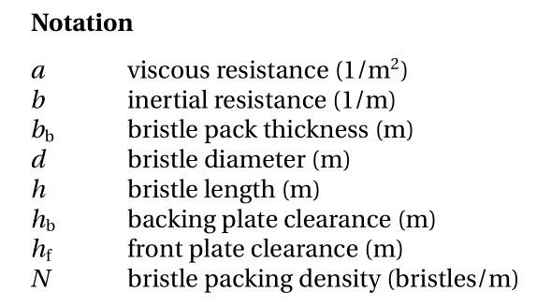
 | Name | Lanes of bristles | Bristle Gaps | Bristle diameter | Bristle Clearance | Bristle packing density | Brush pack thickness | Lay angle | Frontplate clearance | Backplate clearance | Theoretical closest packing of bristles | Porosity | C | D | Viscous resistance normal to bristles | Viscous resistance normal to bristles | Viscous resistance lengthwise to bristles | Inertial resistance normal to bristles
 | Value | - | d_g | d | d_c | N | b_b | Phi | h_f | h_b | b_b^min | E | C | D | a_n | a_z | a_s | b_n
 | Equation | - | - | - | d_g+d | - | - | - | - | -
 | Units | - | mm | mm | mm | bristles/mm | mm | degrees | mm | mm | mm
 | Cases
Pugachev's example | Base | - | - | 0.0700 | 0.0700 | 200.00 | 1.98 | 45.00 | - | - | 17.15581 | 0.4502493 | 6.7573469E+02 | 8.6041602E+01 | 5.4058775E+04 | 5.4058775E+04 | 9.7359710E+03 | 9.9808259E+01
 | B2 min | - | - | 0.0700 | 0.0700 | 200.00 | 1.21 | 45.00 | - | - | 17.15581 | 0.1004080 | 1.6315115E+05 | 1.2695289E+04 | 1.3052092E+07 | 1.3052092E+07 | 5.2421378E+05 | 1.4726535E+04
 | B3 min | - | - | 0.1500 | 0.1500 | 50.00 | 1.40 | 45.00 | - | - | 9.20568 | 0.1074566 | 2.8534975E+04 | 4.7955607E+03 | 2.2827980E+06 | 2.2827980E+06 | 9.8120643E+04 | 5.5628505E+03
Sir's values | Gapless | 10.00 | 0.0000 | 0.1000 | 0.1000 | 76.60 | 0.91 | 40.00 | 1.25 | 0.00 | 8.67365 | 0.1316774 | 3.3023889E+04 | 3.8031821E+03 | 2.6419111E+06 | 2.6419111E+06 | 1.3915202E+05 | 4.4116912E+03
 | Gapped | 10.00 | 0.0040 | 0.1040 | 0.1040 | 73.66 | 0.91 | 40.00 | 1.25 | 0.00 | 8.67419 | 0.1029933 | 6.8092236E+04 | 7.8946932E+03 | 5.4473789E+06 | 5.4473789E+06 | 2.2441744E+05 | 9.1578441E+03
 | Calculated Gapless | 10.00 | 0.0000 | 0.1000 | 0.1000 | 76.60 | 0.88 | 40.00 | 1.25 | 0.00 | 8.67365 | 0.1069164 | 6.5260688E+04 | 7.3073434E+03 | 5.2208550E+06 | 5.2208550E+06 | 2.2327795E+05 | 8.4765183E+03
 | Calculated Gapped | 10.00 | 0.0040 | 0.1000 | 0.1040 | 73.66 | 0.91 | 40.00 | 1.25 | 0.00 | 8.34056 | 0.1706669 | 1.3835987E+04 | 1.6683269E+03 | 1.1068790E+06 | 1.1068790E+06 | 7.5563038E+04 | 1.9352592E+03
 | Sir's second paper | 10.00 | 0.0040 | 0.1000 | 0.1040 | 73.66 | 0.91 | 40.00 | 1.25 | 0.00 | 8.34056 | 0.1920000 | 9.2239945E+03 | 1.1415835E+03 | 6.1496371E+05 | 6.1496371E+05 | 7.0840278E+02 | 2.6598895E+03
Theoretical values | Minimum | - |  | 1.0000 |  | 0.69 | 0.91 | 40.00 | 1.25 | 0.00 | 0.91060 | 0.0500000 | 7.2200000E+03 | 7.6000000E+03 | 5.7760000E+05 | 5.7760000E+05 | 1.1552000E+04 | 8.8160000E+03

TEST CASE 1 | Porosity =

